Sheet1
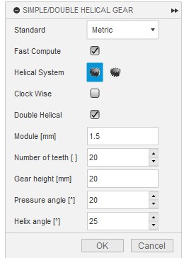
Application | Pitch diameter of sprockets | Links | Origin to Origin in mm |  | Teeth Count | Wanted Spacing | Module
Support-Intake | 25.9 | 28 | 71.3163751 | Gears | 15 | 30 | 2
Support-Outtake | 25.9 | 38 | 111.3163751 |  | 20 | 42.991 | 2.14955
intake-noodles | 25.9 | 34 | 95.3163751

Claw-Pitch | 35.95 | 30 | 63.5298721

